Other Calculators
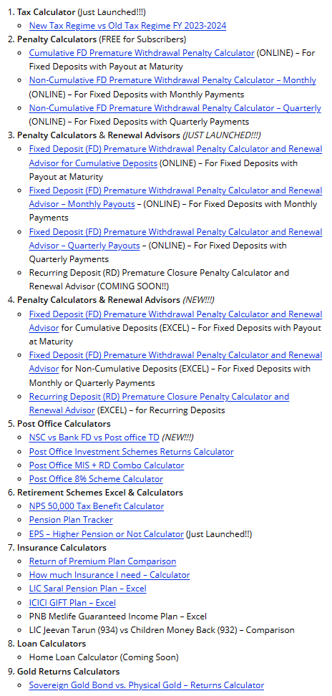
LINK FOR OTHER USEFUL CALCULATORS - | https://everypaisamatters.com/calculators/

